ATractivo - Anovas MR
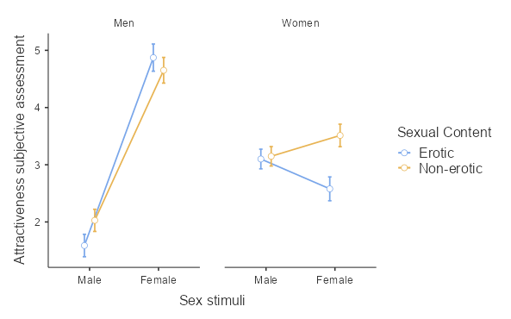
Within Subjects Effects

 | Sum of Squares | df | Mean Square | F | p | η²p
Sex stimuli | 678.62 | 1 | 678.617 | 430.2 | < .001 | 0.564
Sex stimuli ✻ Participant Sex | 754.61 | 1 | 754.607 | 478.37 | < .001 | 0.59
Residual | 523.72 | 332 | 1.577
Sexual Content | 29.52 | 1 | 29.515 | 41.87 | < .001 | 0.112
Sexual Content ✻ Participant Sex | 11.92 | 1 | 11.92 | 16.91 | < .001 | 0.048
Residual | 234.02 | 332 | 0.705
Sex stimuli ✻ Sexual Content | 1.04 | 1 | 1.036 | 2.36 | 0.125 | 0.007
Sex stimuli ✻ Sexual Content ✻ Participant Sex | 49.09 | 1 | 49.091 | 111.94 | < .001 | 0.252
Residual | 145.59 | 332 | 0.439
Note. Type 3 Sums of Squares

Between Subjects Effects

 | Sum of Squares | df | Mean Square | F | p | η²p
Participant Sex | 13.1 | 1 | 13.15 | 3.18 | 0.076 | 0.009
Residual | 1374.7 | 332 | 4.14
Note. Type 3 Sums of Squares

Post Hoc Comparisons - Sex stimuli ✻ Sexual Content ✻ Participant Sex
Comparison
Sex stimuli | Sexual Content | Participant Sex |  | Sex stimuli | Sexual Content | Participant Sex | Mean Difference | SE | df | t | ptukey
Male | Erotic | Men | - | Male | Erotic | Women | -1.5123 | 0.1326 | 332 | -11.408 | < .001
 |  |  | - | Male | Non-erotic | Men | -0.4399 | 0.0824 | 332 | -5.337 | < .001
 |  |  | - | Male | Non-erotic | Women | -1.5599 | 0.1319 | 332 | -11.826 | < .001
 |  |  | - | Female | Erotic | Men | -3.2848 | 0.1179 | 332 | -27.871 | < .001
 |  |  | - | Female | Erotic | Women | -0.991 | 0.1455 | 332 | -6.812 | < .001
 |  |  | - | Female | Non-erotic | Men | -3.0636 | 0.1227 | 332 | -24.966 | < .001
 |  |  | - | Female | Non-erotic | Women | -1.9244 | 0.1412 | 332 | -13.625 | < .001
 |  | Women | - | Male | Non-erotic | Men | 1.0724 | 0.1317 | 332 | 8.144 | < .001
 |  |  | - | Male | Non-erotic | Women | -0.0475 | 0.0722 | 332 | -0.658 | 0.998
 |  |  | - | Female | Erotic | Men | -1.7725 | 0.1492 | 332 | -11.881 | < .001
 |  |  | - | Female | Erotic | Women | 0.5213 | 0.1032 | 332 | 5.05 | < .001
 |  |  | - | Female | Non-erotic | Men | -1.5512 | 0.1438 | 332 | -10.79 | < .001
 |  |  | - | Female | Non-erotic | Women | -0.4121 | 0.1075 | 332 | -3.834 | 0.004
 | Non-erotic | Men | - | Male | Non-erotic | Women | -1.12 | 0.131 | 332 | -8.549 | < .001
 |  |  | - | Female | Erotic | Men | -2.8449 | 0.1282 | 332 | -22.199 | < .001
 |  |  | - | Female | Erotic | Women | -0.5512 | 0.1447 | 332 | -3.809 | 0.004
 |  |  | - | Female | Non-erotic | Men | -2.6237 | 0.118 | 332 | -22.241 | < .001
 |  |  | - | Female | Non-erotic | Women | -1.4845 | 0.1404 | 332 | -10.573 | < .001
 |  | Women | - | Female | Erotic | Men | -1.725 | 0.1486 | 332 | -11.609 | < .001
 |  |  | - | Female | Erotic | Women | 0.5688 | 0.1123 | 332 | 5.067 | < .001
 |  |  | - | Female | Non-erotic | Men | -1.5037 | 0.1431 | 332 | -10.505 | < .001
 |  |  | - | Female | Non-erotic | Women | -0.3646 | 0.1033 | 332 | -3.528 | 0.011
Female | Erotic | Man | - | Female | Erotic | Women | 2.2938 | 0.1608 | 332 | 14.268 | < .001
 |  |  | - | Female | Non-erotic | Men | 0.2213 | 0.0948 | 332 | 2.335 | 0.278
 |  |  | - | Female | Non-erotic | Women | 1.3604 | 0.1569 | 332 | 8.669 | < .001
 |  | Women | - | Female | Non-erotic | Men | -2.0725 | 0.1558 | 332 | -13.307 | < .001
 |  |  | - | Female | Non-erotic | Women | -0.9334 | 0.083 | 332 | -11.247 | < .001
 | Non-erotic | Men | - | Female | Non-erotic | Women | 1.1391 | 0.1518 | 332 | 7.505 | < .001

Estimated Marginal Means - Sex stimuli ✻ Sexual Content ✻ Participant Sex
 |  |  |  |  | 95% Confidence Interval
Participant Sex | Sexual Content | Sex stimuli | Mean | SE | Lower | Upper
Men | Erotic | Male | 1.59 | 0.0997 | 1.39 | 1.78
 |  | Female | 4.87 | 0.1209 | 4.63 | 5.11
 | Non-erotic | Male | 2.03 | 0.0986 | 1.83 | 2.22
 |  | Female | 4.65 | 0.1142 | 4.43 | 4.88
Women | Erotic | Male | 3.1 | 0.0874 | 2.93 | 3.27
 |  | Female | 2.58 | 0.1059 | 2.37 | 2.79
 | Non-erotic | Male | 3.15 | 0.0863 | 2.98 | 3.32
 |  | Female | 3.51 | 0.1 | 3.32 | 3.71

Excitación - Anovas MR
Within Subjects Effects

 | Sum of Squares | df | Mean Square | F | p | η²p
Sex stimuli | 185.89 | 1 | 185.891 | 133.02 | < .001 | 0.286
Sex stimuli ✻ Participant Sex | 666.05 | 1 | 666.054 | 476.63 | < .001 | 0.589
Residual | 463.95 | 332 | 1.397
Sexual Content | 94.51 | 1 | 94.511 | 187.22 | < .001 | 0.361
Sexual Content ✻ Participant Sex | 4.17 | 1 | 4.166 | 8.25 | 0.004 | 0.024
Residual | 167.6 | 332 | 0.505
Sex stimuli ✻ Sexual Content | 20.41 | 1 | 20.408 | 63.55 | < .001 | 0.161
Sex stimuli ✻ Sexual Content ✻ Participant Sex | 43.24 | 1 | 43.239 | 134.64 | < .001 | 0.289
Residual | 106.62 | 332 | 0.321
Note. Type 3 Sums of Squares

Between Subjects Effects

 | Sum of Squares | df | Mean Square | F | p | η²p
Participant Sex | 107 | 1 | 106.62 | 49.4 | < .001 | 0.13
Residual | 716 | 332 | 2.16
Note. Type 3 Sums of Squares

Post Hoc Comparisons - Sex stimuli ✻ Sexual Content ✻ Participant Sex
Comparison
Sex stimuli | Sexual Content | Participant Sex |  | Sex stimuli | Sexual Content | Participant Sex | Mean Difference | SE | df | t | ptukey
Male | Erotic | Men | - | Male | Erotic | Women | -1.10492 | 0.1024 | 332 | -10.7873 | < .001
 |  |  | - | Male | Non-erotic | Men | 0.03695 | 0.0623 | 332 | 0.5933 | 0.999
 |  |  | - | Male | Non-erotic | Women | -0.56736 | 0.0923 | 332 | -6.147 | < .001
 |  |  | - | Female | Erotic | Men | -2.78948 | 0.117 | 332 | -23.8438 | < .001
 |  |  | - | Female | Erotic | Women | -0.31934 | 0.1245 | 332 | -2.5656 | 0.172
 |  |  | - | Female | Non-erotic | Men | -1.52787 | 0.1116 | 332 | -13.6956 | < .001
 |  |  | - | Female | Non-erotic | Women | -0.00898 | 0.1115 | 332 | -0.0805 | 1
 |  | Women | - | Male | Non-erotic | Men | 1.14188 | 0.089 | 332 | 12.8306 | < .001
 |  |  | - | Male | Non-erotic | Women | 0.53757 | 0.0546 | 332 | 9.854 | < .001
 |  |  | - | Female | Erotic | Men | -1.68456 | 0.1304 | 332 | -12.9158 | < .001
 |  |  | - | Female | Erotic | Women | 0.78558 | 0.1025 | 332 | 7.6664 | < .001
 |  |  | - | Female | Non-erotic | Men | -0.42295 | 0.1141 | 332 | -3.7082 | 0.006
 |  |  | - | Female | Non-erotic | Women | 1.09594 | 0.0977 | 332 | 11.2157 | < .001
 | Non-erotic | Men | - | Male | Non-erotic | Women | -0.60431 | 0.0771 | 332 | -7.8359 | < .001
 |  |  | - | Female | Erotic | Men | -2.82644 | 0.1174 | 332 | -24.067 | < .001
 |  |  | - | Female | Erotic | Women | -0.35629 | 0.1137 | 332 | -3.1343 | 0.039
 |  |  | - | Female | Non-erotic | Men | -1.56483 | 0.1001 | 332 | -15.6343 | < .001
 |  |  | - | Female | Non-erotic | Women | -0.04593 | 0.0993 | 332 | -0.4628 | 1
 |  | Women | - | Female | Erotic | Men | -2.22213 | 0.1226 | 332 | -18.1204 | < .001
 |  |  | - | Female | Erotic | Women | 0.24802 | 0.1029 | 332 | 2.4111 | 0.239
 |  |  | - | Female | Non-erotic | Men | -0.96052 | 0.1051 | 332 | -9.1429 | < .001
 |  |  | - | Female | Non-erotic | Women | 0.55838 | 0.0877 | 332 | 6.3692 | < .001
Female | Erotic | Men | - | Female | Erotic | Women | 2.47014 | 0.1484 | 332 | 16.6489 | < .001
 |  |  | - | Female | Non-erotic | Men | 1.26161 | 0.0867 | 332 | 14.5548 | < .001
 |  |  | - | Female | Non-erotic | Women | 2.7805 | 0.1376 | 332 | 20.2024 | < .001
 |  | Women | - | Female | Non-erotic | Men | -1.20853 | 0.1342 | 332 | -9.0051 | < .001
 |  |  | - | Female | Non-erotic | Women | 0.31036 | 0.0759 | 332 | 4.0879 | 0.001
 | Non-erotic | Men | - | Female | Non-erotic | Women | 1.5189 | 0.1222 | 332 | 12.4261 | < .001

Estimated Marginal Means - Sex stimuli ✻ Sexual Content ✻ Participant Sex
 |  |  |  |  | 95% Confidence Interval
Participant Sex | Sexual Content | Sex stimuli | Mean | SE | Lower | Upper
Men | Erotic | Male | 1.11 | 0.0771 | 0.963 | 1.27
 |  | Female | 3.9 | 0.1116 | 3.685 | 4.12
 | Non-erotic | Male | 1.08 | 0.058 | 0.964 | 1.19
 |  | Female | 2.64 | 0.0919 | 2.462 | 2.82
Women | Erotic | Male | 2.22 | 0.0675 | 2.087 | 2.35
 |  | Female | 1.43 | 0.0978 | 1.242 | 1.63
 | Non-erotic | Male | 1.68 | 0.0508 | 1.582 | 1.78
 |  | Female | 1.12 | 0.0805 | 0.965 | 1.28

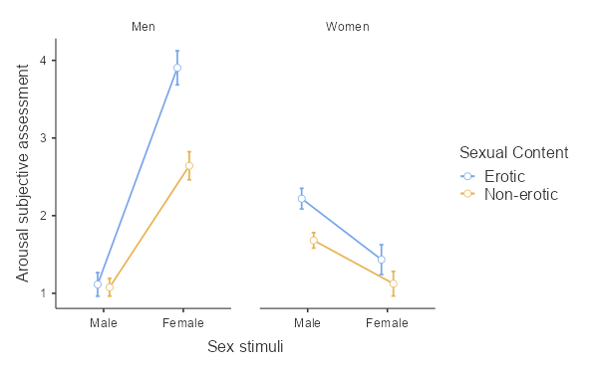
 |  |  |  | 1.11 | 2.22
 |  |  |  | 3.9 | 1.43
 |  |  |  | 1.08 | 1.68
 |  |  |  | 2.64 | 1.12
 |  |  |  | 8.73 | 6.45

